Sheet1
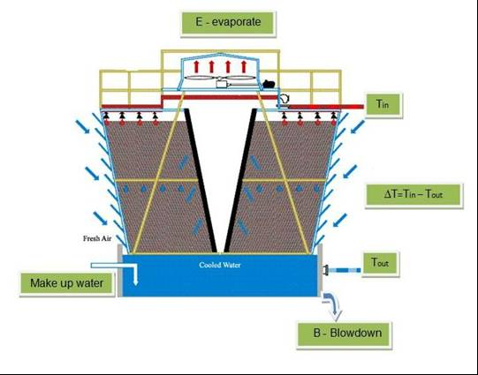

 |  | The saving with CQM SR-CT-20 forvxt 360RT cooling tower in court house

 |  |  | E - Evaporating water [Ton / h]
 | 226.8 |  | m - Cooling water flow in the system [Ton / hr]
 | 360 |  | TR - Cooling tower capacity [TR]
 | 1 |  | Cp - Specific heat - [Ton cal / Ton water ºc]
 | 35 |  | Ti - inlet cooling water temp [ºc]
 | 29.4 |  | To -outlet cooling water temp [ºc]
 | 5.6 |  | ∆T - ∆T = Ti - To
 | 700 |  | Cooling tower conductivity withuot CQM
 | 4500 |  | Cooling tower conductivity with CQM
 | 500 |  | Makeup water conductivity µs
 | 540 |  | λ evaporating water temp. [Ton Cal / Ton water]

B = E/ (C-1)

with CQM | withuot CQM
0.3 | 5.9 |  | B - Drainage flow rate [m³/h]
2.35 | 2.35 |  | E - Evaporation flow rate [m³/h]
9 | 1.4 |  | C - Concentration cycle

 | 4000 |  | Cooling tower working hours per year [h]
 | 2.5 |  | Cost of one cubic water $
 | 0.5 |  | Cost of chemical treatment to one cubic miter water $
 | 55860.00 |  | The water saving as a result using SRS $
 | 16464.00 |  | The chemical saving as a result using SRS $
 | 72324.00 |  | all the saving $

